Hiearchy View
CLASS: DECOUPLING MODULE
dual input diode with 2 inputs and one output in a compact housing, suitable for various applications such as to produce redundant applications | 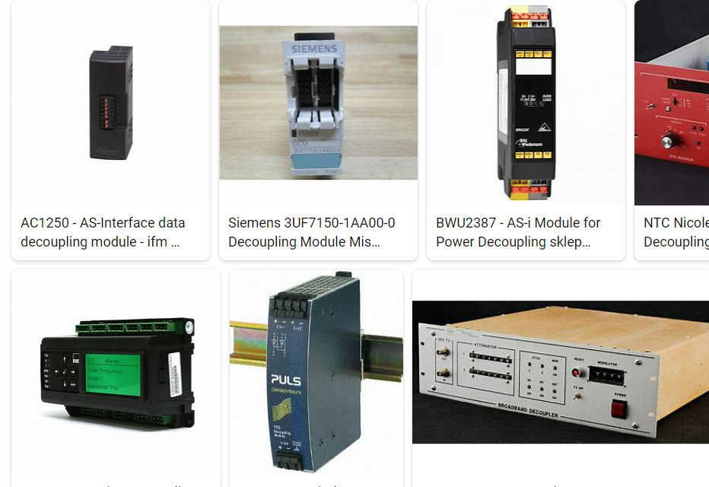
REMOVE | N

PROBLEM_DESC | CAUSE_DESC | REMEDY_DESC
ALARM/SENSOR
BROKEN/DAMAGED
OTHER PROBLEM
OVERHEATING
POWER-ELEC
STOPPED/SLOWED/POOR OPS
TEMP-CTRL
VIBRATION
Grand Total

